ZERO RISE CERT
Owner: |  |  | a | b |  | 2022-06-10
Parcel ID: |  |  | m |  |  | p
Name of River: |  |  | p
Interpolated River Cross Section: |  |  | s

Structures in Floodway: Table-1
STRUCTURE TABLE
STRUCTURE NAME | APPROXIMATE AREA OF OBSTRUCTION | DESCRIPTION | SPECIAL CONDITION | PERMITTED | HEC RAS
S1 | ± SF | - | - | NO | PROPOSED
S2 | ± SF | - | - | NO | PROPOSED
S3 | ± SF | - | - | NO | PROPOSED
- | - | - | - | - | -
- | - | - | - | - | -
Elevation of 100yr Flood: |  |  | r | NAVD88
Community Panel: |  |  | q

p
I hereby certify that construction of the proposed structures listed above will not increase flood
elevations of the River.
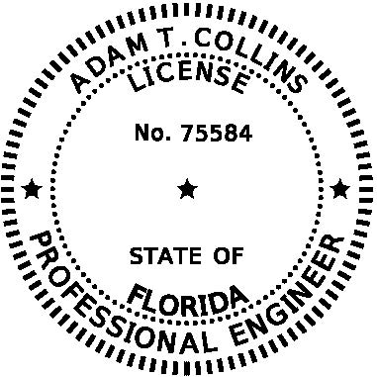
6/10/2022
 |  | This item has been digitally signed and sealed by Adam T. Collins, PE, on .
 |  | Printed copies of this document are not considered signed and sealed and the signature must be verified on any electronic copies.

